Sheet1
 | Document No. |  | Issue No. | Issue Date |  |  | Review and Replace Date |  | Authorised By
 | GFF276MC |  | 2 | 31.03.2021 |  |  | 23.12.2021 |  | Magda Shah
 | Document Title |  | Spinach and Feta Parcels 130g
Document amendments reason for change | Film Updated |  |  | Page 1 of 1 |  | Previous Issue Date |  | 31.03.2021 | Uncontrolled copy unless signed original

CVSFPC-G6TSP |  | SPAR |  |  | Spinach and Feta Parcels 130g | CHILLED

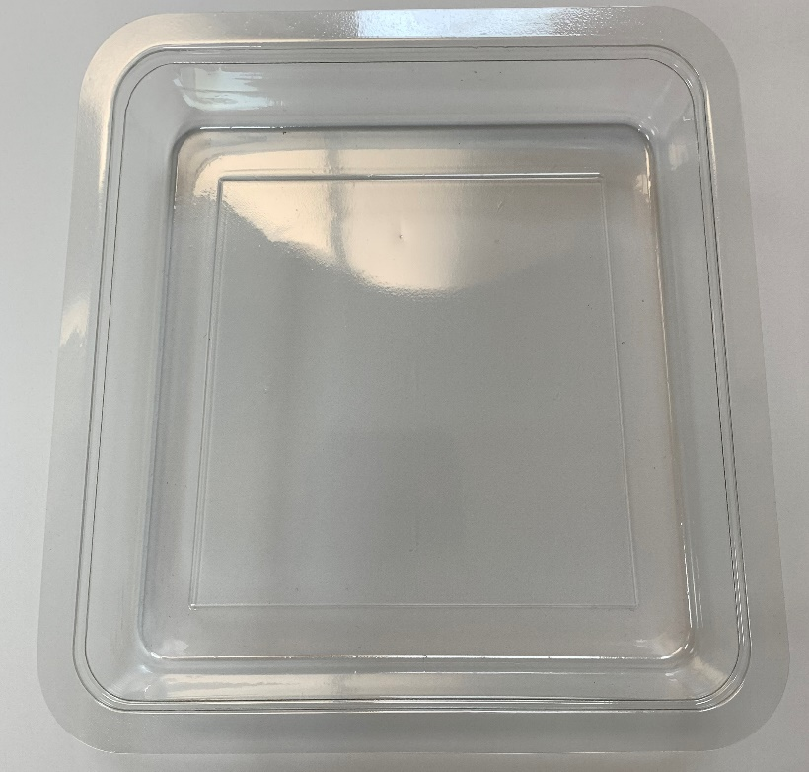 |  |  |  |  |  | 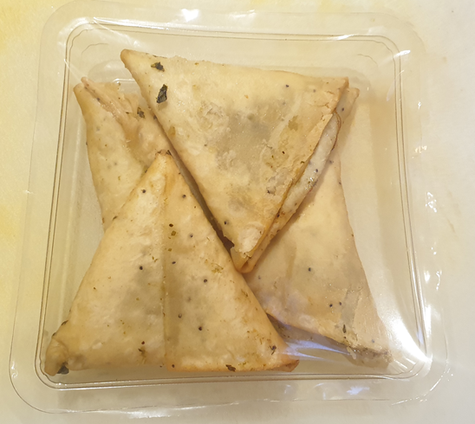
GAS PACK

COOK/ DEFROST
+
10 DAYS

Tray: Clear Trapezoid Tray (PKLEE001-02) (PLAIN) |  |  |  |  |  | 4 pieces-Spinach & Feta Parcel (min. weight 32.5g)(GFF350R)
Film: K-PEEL 7G+ AF 25 (250mm x 1000)(PKKMP001-01) |  |  |  |  |  | TOTAL WEIGHT: 130g
ALLERGY ALERT: Milk, Wheat

